Individual Dashboard
I would like each individual customer to have this look of dashboard. Customers are Premier Swim Academy and AVAC. The top 3 blocks need to be:

Total Units Sold - Total the # of units sold in that week
Best Selling SKU - SKU that has the most units sold in that week
Time to Reorder - Any SKU that has less than 6 weeks of inventory on hand. If possible, if multiple SKUS need reorder, they appear. If nothing needs to be reorder, nothing appears.

Then, where "Agent Name is" the SKUs are listed with next to it, total inventory, Weeks on Hand. Please take the inventory for that customer and divide it by the average sales for the past 4 weeks and then another column with past 8 weeks average sales
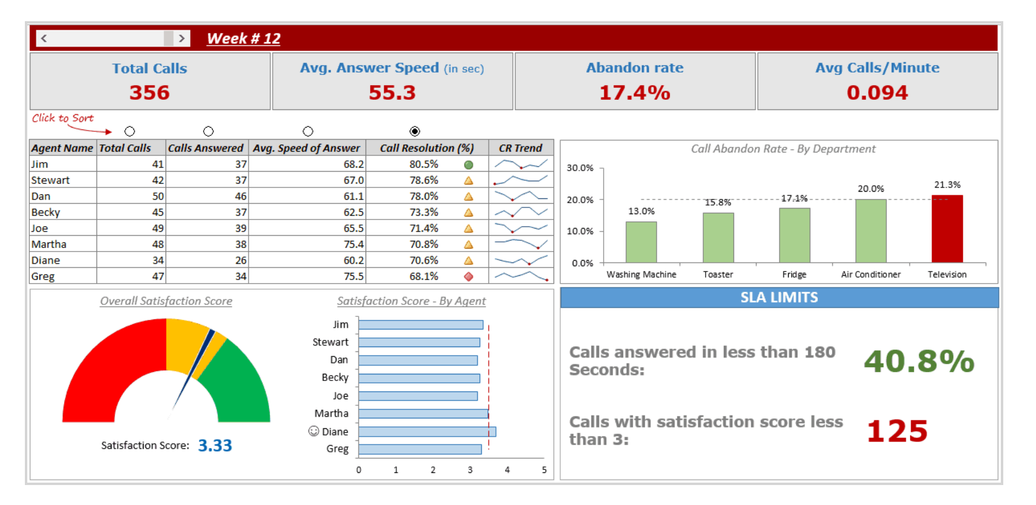
If you want to include any trend graphs, that would be great.

